OS_top
OS memory used: | Used (MB)
20250228-0030 | 15733.1 |  | Figures used in summary worksheet OS memory consumption are taken from the text highlighted in red.
20250228-0031 | 15733.7 |  | (sample taken at 20250228-0112)
20250228-0032 | 15732.7 |  | MiB Mem : 63857.6 total, 21689.8 free, 18368.8 used, 23799.0 buff/cache
20250228-0033 | 15733.5 |  | MiB Swap: 8188.0 total, 8038.4 free, 149.6 used. 41650.7 avail Mem
20250228-0034 | 15733.5
20250228-0035 | 15733.6 |  | PID USER PR NI VIRT RES SHR S %CPU %MEM TIME+ COMMAND
20250228-0036 | 15734.3 |  | 3550587 gcis_bd+ 20 0 35.4g 23.9g 7.5g S 106.2 38.4 44:08.12 mariadbd
20250228-0037 | 15734 |  | 2519784 root 20 0 3357444 518196 52736 S 0.0 0.8 0:10.36 bdsecd
20250228-0038 | 15733.4 |  | 1505323 root 20 0 8058800 104852 38628 S 0.0 0.2 21:18.43 bdsecd
20250228-0039 | 15728.9 |  | 1505324 root 20 0 1680672 68424 27148 S 0.0 0.1 1:58.06 epagngd
20250228-0040 | 15733.3
20250228-0041 | 15733.9 |  | mariadbd typically consumes the most memory.
20250228-0042 | 15734.1 |  | The next top memory process consumes 2% or less.
20250228-0043 | 15734.2 |  | The remaining processes consume <1%.
20250228-0044 | 15733.8
20250228-0045 | 15733.4
20250228-0046 | 15734.2
20250228-0047 | 15732.9
20250228-0048 | 15734.1
20250228-0049 | 15733.6
20250228-0050 | 15733.6
20250228-0051 | 15732.6
20250228-0052 | 15734.1
20250228-0053 | 15733
20250228-0054 | 15733.7
20250228-0055 | 15733.9
20250228-0056 | 15734.2
20250228-0057 | 15735.3
20250228-0058 | 15734.8
20250228-0059 | 15733.3
20250228-0100 | 15748.7
20250228-0101 | 15749.7
20250228-0102 | 15743.4
20250228-0103 | 15742.4
20250228-0104 | 15741.5
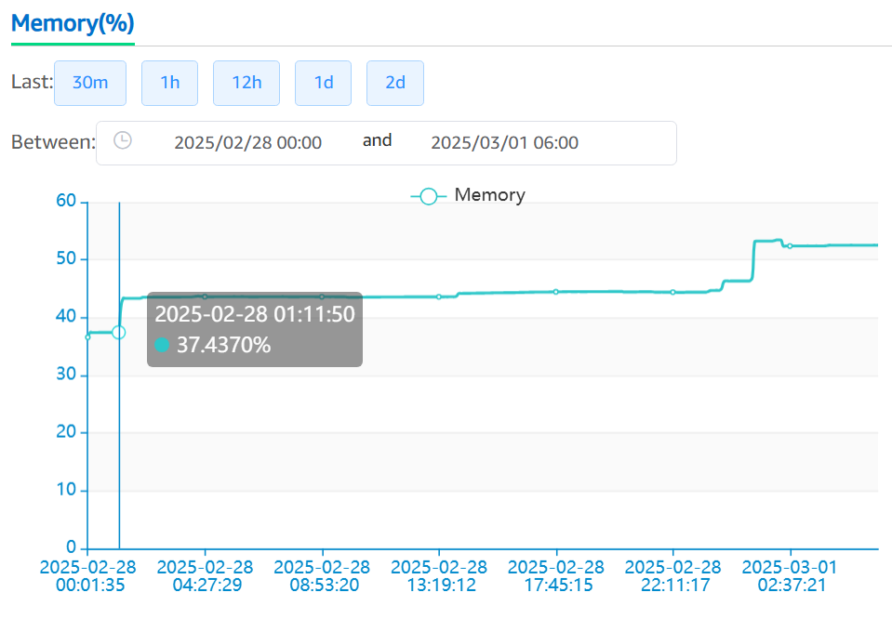
20250228-0105 | 15742.6
20250228-0106 | 15741.9
20250228-0107 | 15743.5
20250228-0108 | 15742.9
20250228-0109 | 15742.3
20250228-0110 | 15742.2
20250228-0111 | 15742.8
20250228-0112 | 18368.8
20250228-0113 | 19598.3
20250228-0114 | 19599.9
20250228-0115 | 19599.5
20250228-0116 | 19599.3
20250228-0117 | 19599.7
20250228-0119 | 19600.5
20250228-0120 | 19600.6
20250228-0121 | 19600.1
20250228-0122 | 19601.1
20250228-0123 | 19620.7
20250228-0124 | 19618.6
20250228-0125 | 19617.1
20250228-0126 | 19616.6
20250228-0127 | 19616.3
20250228-0128 | 19617.1
20250228-0129 | 19615.8
20250228-0155 | 19607.3
20250228-0156 | 19611.8
20250228-0157 | 19613.2
20250228-0158 | 19611.3
20250228-0159 | 19612.2
20250228-0200 | 19614.1 | Expect reduction in memory use but not.
20250228-0201 | 19736.1
20250228-0202 | 19736.7
20250228-0203 | 19727.3
20250228-0204 | 19741.1
20250228-0205 | 19736.1
20250228-0206 | 19728
20250228-0207 | 19730.1
20250228-0208 | 19728.9
20250228-0209 | 19724.2
20250228-0210 | 19732.1
20250228-0211 | 19731.9
20250228-0212 | 19728.8
20250228-0213 | 19732.1
20250228-0214 | 19727.5
20250228-0215 | 19738.2
20250228-0216 | 19736.6
20250228-0217 | 19734.7
20250228-0218 | 19737
20250228-0219 | 19736.8
20250228-0220 | 19740
20250228-0221 | 19740.4
20250228-0222 | 19742.6
20250228-0223 | 19742.1
20250228-0224 | 19739
20250228-0225 | 19739.7
20250228-0226 | 19739.6
20250228-0227 | 19740
20250228-0228 | 19743.1
20250228-0229 | 19739.6
20250228-0230 | 19755.9
20250228-0231 | 19749.3
20250228-0232 | 19748.7
20250228-0233 | 19750
20250228-0234 | 19745.7
20250228-0235 | 19749.1
20250228-0236 | 19744.8
20250228-0237 | 19744.6
20250228-0238 | 19741
20250228-0239 | 19736.9
20250228-0240 | 19737.1
20250228-0241 | 19736
20250228-0242 | 19741.8
20250228-0243 | 19740.9
20250228-0244 | 19731.9
20250228-0245 | 19746.2
20250228-0246 | 19740.7
20250228-0247 | 19735.5
20250228-0248 | 19739.4
20250228-0249 | 19735.7
20250228-0250 | 19744.7
20250228-0251 | 19738.4
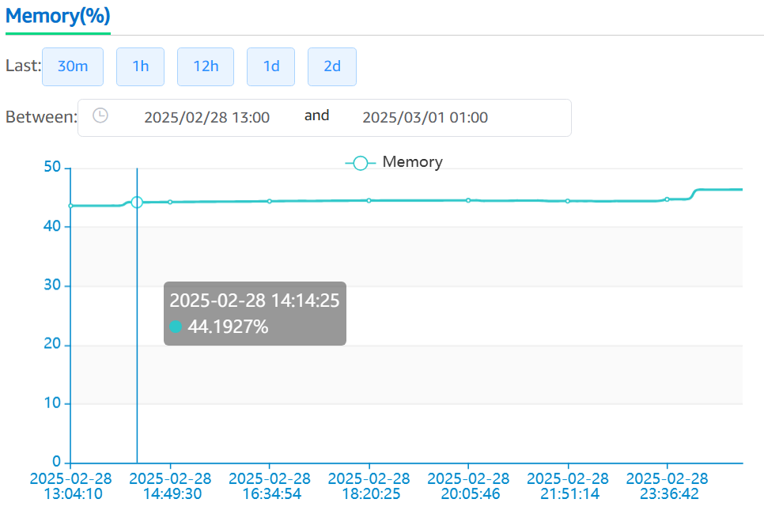
20250228-0252 | 19747.5
20250228-0253 | 19738.7
20250228-0254 | 19739.4
20250228-0255 | 19740.1
20250228-0256 | 19743.8
20250228-0257 | 19739.2
20250228-0258 | 19744
20250228-0259 | 19744.2
...
20250228-1357 | 19784
20250228-1358 | 19935.9
20250228-1359 | 20153.5
20250228-1400 | 20161.4
20250228-1401 | 20155.6
20250228-1402 | 20161.1
...
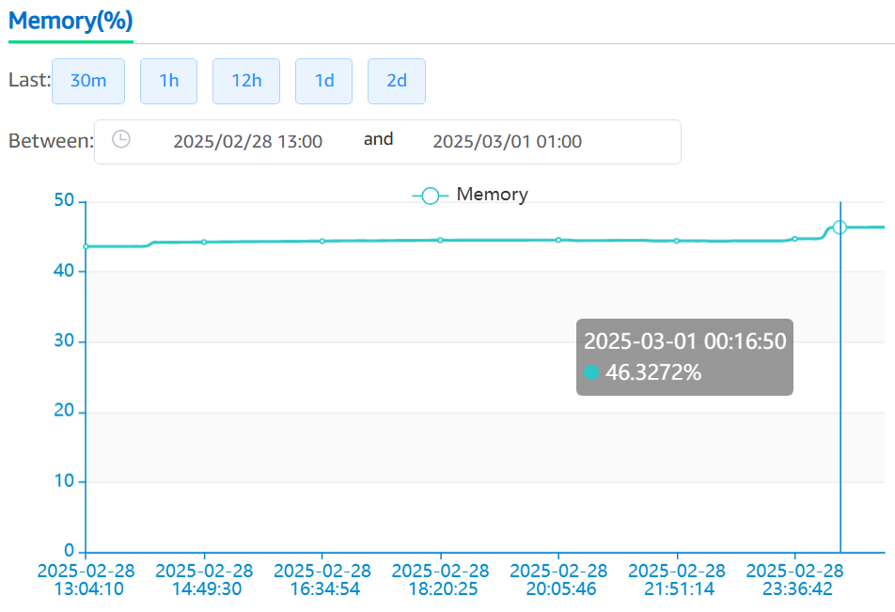
20250228-2359 | 20520.1
20250301-0000 | 20703.8
20250301-0001 | 21113.8
20250301-0002 | 21383.4
20250301-0003 | 21407.2
20250301-0004 | 21440.6
20250301-0005 | 21584.4
20250301-0006 | 21606.3
20250301-0007 | 21599.6
...
...
...
...
...
...
...
20250301-0030 | 21580.6
20250301-0031 | 21574.9
20250301-0032 | 21573.4
20250301-0033 | 21582.6
20250301-0034 | 21583.9
20250301-0035 | 21584.2
20250301-0036 | 21584.7
20250301-0037 | 21584.4
20250301-0038 | 21579.9
20250301-0039 | 21579.6
20250301-0040 | 21583.8
20250301-0041 | 21587.6
20250301-0042 | 21584.7
20250301-0043 | 21580.5
20250301-0044 | 21575.8
20250301-0045 | 21586.6
20250301-0046 | 21580.9
20250301-0047 | 21584.3
20250301-0048 | 21586.4
20250301-0049 | 21579.9
20250301-0050 | 21601.9
20250301-0051 | 21584.6
20250301-0052 | 21585.3
20250301-0053 | 21576.2
20250301-0054 | 21581
20250301-0055 | 21580.7
20250301-0056 | 21582.6
20250301-0057 | 21577.3
20250301-0058 | 21577.2
20250301-0059 | 21577.2
20250301-0100 | 21595
20250301-0101 | 21596.5
20250301-0102 | 21609.9
20250301-0103 | 21614.1
20250301-0104 | 21610.9
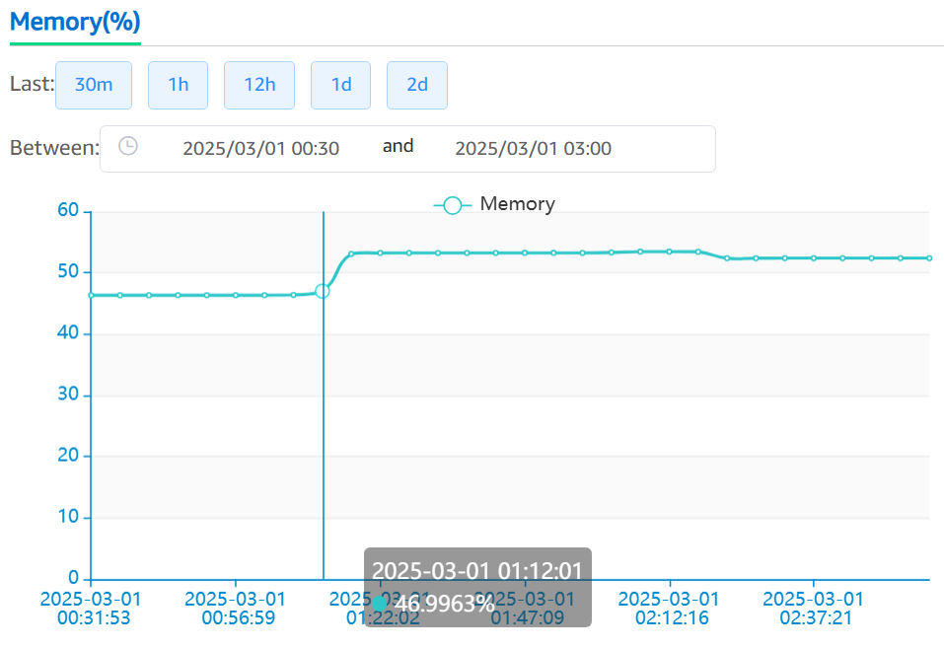
20250301-0105 | 21619.3
20250301-0106 | 21609.4
20250301-0107 | 21610.2
20250301-0108 | 21618.4
20250301-0109 | 21618.8
20250301-0110 | 21615.1
20250301-0111 | 21613.3
20250301-0112 | 25684.3
20250301-0113 | 26095.4
20250301-0114 | 26098
20250301-0115 | 26104.8
20250301-0116 | 26098.9
20250301-0117 | 26099.1
20250301-0118 | 26103.8
20250301-0119 | 26097.9
20250301-0120 | 26098.1
20250301-0121 | 26103.3
20250301-0122 | 26100.6
20250301-0123 | 26099.1
20250301-0124 | 26105.7
20250301-0125 | 26099.7
20250301-0126 | 26100
20250301-0127 | 26099.6
20250301-0128 | 26098.1
20250301-0129 | 26098.1
20250301-0155 | 26099.5
20250301-0156 | 26099.9
20250301-0157 | 26099.3
20250301-0158 | 26099.9
20250301-0159 | 26099.4
20250301-0200 | 26170.4 | Expect reduction in memory use but not.
20250301-0201 | 26236.7
20250301-0202 | 26237.2
20250301-0203 | 26235.8
20250301-0204 | 26238
20250301-0205 | 26236.9
20250301-0206 | 26236.6
20250301-0207 | 26237.7
20250301-0208 | 26238.5
20250301-0209 | 26238.3
20250301-0210 | 26242.7
20250301-0211 | 26242.4
20250301-0212 | 26242.2
20250301-0213 | 26242.7
20250301-0214 | 26243.3
20250301-0215 | 26243.2
20250301-0216 | 26242.6
20250301-0217 | 25540.2 | Memory use reduction happened at this time, but not to prior level (@01:11, 21613.3 MB).
20250301-0218 | 25542.7
20250301-0219 | 25540.5
20250301-0220 | 25535.4
20250301-0221 | 25533.9
20250301-0222 | 25535
20250301-0223 | 25534.9
20250301-0224 | 25533.8
20250301-0225 | 25539.4
20250301-0226 | 25538.8
20250301-0227 | 25539.3
20250301-0228 | 25535.5
20250301-0229 | 25540.7
20250301-0230 | 25545.5
20250301-0231 | 25545.6
20250301-0232 | 25545.3
20250301-0233 | 25545.5
20250301-0234 | 25545
20250301-0235 | 25544.9
20250301-0236 | 25545.8
20250301-0237 | 25545.7
20250301-0238 | 25545.6
20250301-0239 | 25545.6
20250301-0240 | 25541.5
20250301-0241 | 25540.6
20250301-0242 | 25541.3
20250301-0243 | 25542.5
20250301-0244 | 25542.2
20250301-0245 | 25541.8
20250301-0246 | 25541.4
20250301-0247 | 25541.6
20250301-0248 | 25541.9
20250301-0249 | 25540.9
20250301-0250 | 25547.2
20250301-0251 | 25546
20250301-0252 | 25546.2
20250301-0254 | 25544.4
20250301-0255 | 25546.3
20250301-0256 | 25545.5
20250301-0257 | 25546.1
20250301-0258 | 25578.4
20250301-0259 | 25565.2
...
20250302-0030 | 26590.1
20250302-0031 | 26589.3
20250302-0032 | 26589.7
20250302-0033 | 26590.1
20250302-0034 | 26590.6
20250302-0035 | 26590.1
20250302-0036 | 26590.4
20250302-0037 | 26590.2
20250302-0038 | 26590.7
20250302-0039 | 26590.7
20250302-0040 | 26586.2
20250302-0041 | 26588.6
20250302-0042 | 26589.9
20250302-0043 | 26589
20250302-0044 | 26589.3
20250302-0045 | 26589.4
20250302-0046 | 26589.6
20250302-0047 | 26589.4
20250302-0048 | 26589.1
20250302-0049 | 26589.2
20250302-0050 | 26589.7
20250302-0051 | 26589.1
20250302-0052 | 26588.7
20250302-0053 | 26588.7
20250302-0054 | 26589.8
20250302-0055 | 26588.8
20250302-0056 | 26588.8
20250302-0057 | 26588.5
20250302-0058 | 26588.4
20250302-0059 | 26589.7
20250302-0100 | 26591.8
20250302-0101 | 26591.4
20250302-0102 | 26610.6
20250302-0104 | 26610.3
20250302-0105 | 26611
20250302-0106 | 26610.2
20250302-0107 | 26623.7
20250302-0108 | 26628.7
20250302-0109 | 26626.6
20250302-0110 | 26631.3
20250302-0111 | 26627
20250302-0112 | 26627.2
20250302-0113 | 31240.9
20250302-0114 | 31243
20250302-0115 | 31248.7
20250302-0116 | 31242.9
20250302-0117 | 31243.3
20250302-0118 | 31243.9
20250302-0119 | 31243
20250302-0120 | 31244
20250302-0121 | 31243.7
20250302-0122 | 31241.9
20250302-0123 | 31243.6
20250302-0124 | 31241.4
20250302-0125 | 31241.3
20250302-0126 | 31241.9
20250302-0127 | 31241
20250302-0128 | 31241.6
20250302-0129 | 31262.6
20250302-0155 | 31238.8
20250302-0156 | 31237.9
20250302-0157 | 31226
20250302-0158 | 31238.9
20250302-0159 | 31234.2
20250302-0200 | 31233.4
20250302-0201 | 31271.8
20250302-0202 | 31275.1
20250302-0203 | 31279.4
20250302-0204 | 31271
20250302-0205 | 31278.8
20250302-0206 | 31270.7
20250302-0207 | 31279.3
20250302-0208 | 31276
20250302-0209 | 31279.4
20250302-0210 | 31279.1
20250302-0211 | 31274.5
20250302-0212 | 31283.9
20250302-0213 | 31279
20250302-0214 | 31280
20250302-0215 | 31293.5
20250302-0216 | 31284.1
20250302-0217 | 31287.1
20250302-0218 | 31279.5
20250302-0219 | 31283.6
20250302-0220 | 31274.9
20250302-0221 | 31687.4
20250302-0222 | 30598
20250302-0223 | 30602.8
20250302-0224 | 30603.1
20250302-0225 | 30598.5
20250302-0226 | 30594
20250302-0227 | 30593.7
20250302-0228 | 30602.4
20250302-0229 | 30597.6
20250302-0230 | 30609.4
20250302-0231 | 30602.8
20250302-0232 | 30605.5
20250302-0233 | 30607.2
20250302-0234 | 30602.5
20250302-0235 | 30599.7
20250302-0236 | 30603.5
20250302-0237 | 30611.9
20250302-0238 | 30603.2
20250302-0239 | 30602.7
20250302-0240 | 30598.7
20250302-0241 | 30595.9
20250302-0242 | 30606.7
20250302-0243 | 30606.2
20250302-0244 | 30602.3
20250302-0245 | 30613.8
20250302-0246 | 30604.6
20250302-0247 | 30601.3
20250302-0248 | 30601
20250302-0249 | 30601.9
20250302-0250 | 30607
20250302-0251 | 30602.7
20250302-0252 | 30602.7
20250302-0253 | 30611.3
20250302-0254 | 30607.4
20250302-0255 | 30602.9
20250302-0256 | 30607.7
20250302-0257 | 30611.5
20250302-0258 | 30611.1
20250302-0259 | 30615.2
...
20250303-0030 | 31500.2
20250303-0031 | 31488.6
20250303-0032 | 31490.7
20250303-0033 | 31489.6
20250303-0034 | 31489.9
20250303-0035 | 31495.2
20250303-0036 | 31492.8
20250303-0037 | 31490
20250303-0038 | 31494.2
20250303-0039 | 31490.5
20250303-0040 | 31492.4
20250303-0041 | 31491.6
20250303-0042 | 31492.3
20250303-0043 | 31490.1
20250303-0044 | 31491.3
20250303-0045 | 31491.1
20250303-0046 | 31490.6
20250303-0047 | 31489.5
20250303-0048 | 31490
20250303-0049 | 31485.3
20250303-0050 | 31491.1
20250303-0051 | 31490.3
20250303-0052 | 31492.5
20250303-0053 | 31490.6
20250303-0054 | 31491.6
20250303-0055 | 31494.8
20250303-0056 | 31493.9
20250303-0057 | 31494
20250303-0058 | 31493.8
20250303-0059 | 31493.5
20250303-0100 | 31498.3
20250303-0101 | 31497.2
20250303-0102 | 31472.2
20250303-0103 | 31471.9
20250303-0104 | 31471.6
20250303-0105 | 31474.1
20250303-0106 | 31473
20250303-0107 | 31472.6
20250303-0108 | 31473.1
20250303-0109 | 31473.1
20250303-0110 | 31471.9
20250303-0111 | 31575.1
20250303-0112 | 31641.9
20250303-0113 | 36137.4
20250303-0114 | 36141.7
20250303-0115 | 36142.3
20250303-0116 | 36129.3
20250303-0117 | 36118.7
20250303-0118 | 36117.6
20250303-0119 | 36117
20250303-0120 | 36117.5
20250303-0121 | 36117.2
20250303-0122 | 36117.3
20250303-0123 | 36117.8
20250303-0124 | 36117.6
20250303-0125 | 36118.1
20250303-0126 | 36119.1
20250303-0127 | 36118.7
20250303-0128 | 36117.4
20250303-0129 | 36117.7
20250303-0155 | 36116.2
20250303-0156 | 36116.5
20250303-0157 | 36117.2
20250303-0158 | 36117
20250303-0159 | 36117.3
20250303-0200 | 36275.1
20250303-0201 | 36316
20250303-0202 | 36315.7
20250303-0204 | 36315.9
20250303-0205 | 36313.7
20250303-0206 | 36316.2
20250303-0207 | 36315.9
20250303-0208 | 36335.7
20250303-0209 | 36337.5
20250303-0210 | 36348.6
20250303-0211 | 36342.9
20250303-0212 | 36339
20250303-0213 | 36339.2
20250303-0214 | 36338.9
20250303-0215 | 36345.9
20250303-0216 | 36339.2
20250303-0217 | 36338.8
20250303-0218 | 36339.2
20250303-0219 | 36339.6
20250303-0220 | 36339.5
20250303-0221 | 36334.1
20250303-0222 | 36332.4
20250303-0223 | 36335.7
20250303-0224 | 36336.4
20250303-0225 | 36336.1
20250303-0226 | 35633.7
20250303-0227 | 35624.7
20250303-0228 | 35626.9
20250303-0229 | 35629.2
20250303-0230 | 35640.6
20250303-0231 | 35634.4
20250303-0232 | 35631.6
20250303-0233 | 35630.9
20250303-0234 | 35631.8
20250303-0235 | 35631.9
20250303-0236 | 35633.3
20250303-0237 | 35632
20250303-0238 | 35634.5
20250303-0239 | 35632.5
20250303-0240 | 35628.1
20250303-0241 | 35628
20250303-0242 | 35627.5
20250303-0243 | 35648.4
20250303-0244 | 35628.2
20250303-0245 | 35634.7
20250303-0246 | 35627.4
20250303-0247 | 35622.7
20250303-0248 | 35627.7
20250303-0249 | 35621.5
20250303-0250 | 35632.5
20250303-0251 | 35632.5
20250303-0252 | 35628.6
20250303-0253 | 35646.4
20250303-0254 | 35623.7
20250303-0255 | 35627.5
20250303-0256 | 35632.2
20250303-0257 | 35628.3
20250303-0258 | 35628.1
20250303-0259 | 35628.3

